2024
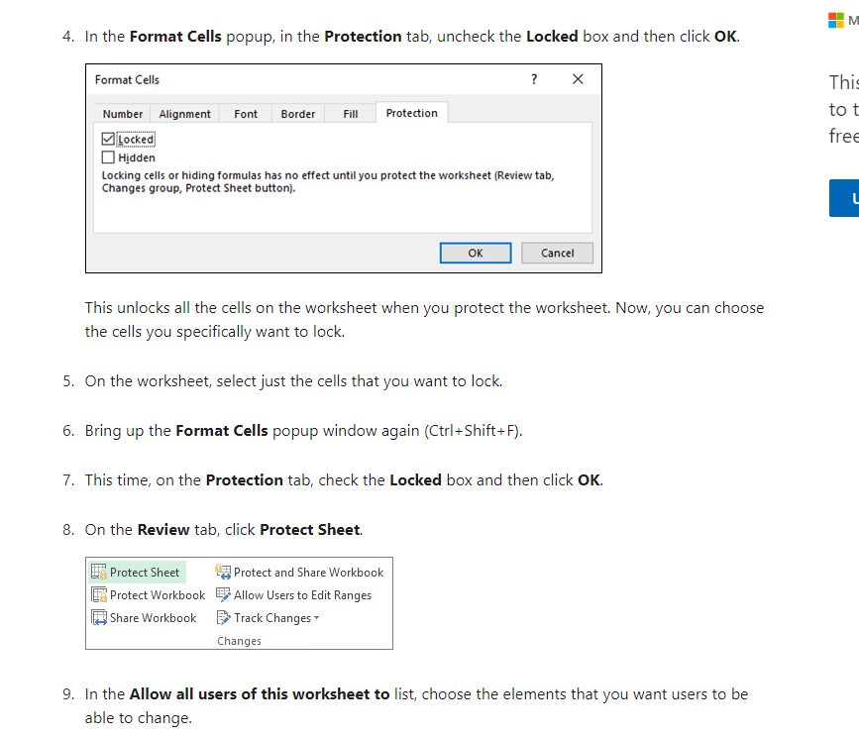
PWPLAWT Law Time Calendar - 2024

 |  |  | Calendar Days Covered
Lv Year | Lv Period | Payroll | From | To | Submit Deadline | Approve Deadline | View Bal on WEB | Vac and Sick Accrual Thru | Comp Accr & Lv Taken Thru | Day Start | Day To | Days in Leave cycle (E ) -(D) | Last day to next first day | Pay of month | Comp Accr - calendar Days (J)-(E)
2023 | L4 13 | MN 01 | 2023-11-20 | 2023-12-17 |  |  | January 25 | January | 2023-12-17 | Monday | Sunday | 27 | 1 | -1 | 0 | Note: Law Time leave reports endng by the 12th of the month are
2024 | L4 01 | MN 02 | 2023-12-18 | 2024-01-14 |  |  | February 25 | February | 2024-02-11 | Monday | Sunday | 27 | 1 | -2 | 28 |  | processed through that month's payroll. There
2024 | L4 02 | MN 02 | 2024-01-15 | 2024-02-11 |  |  | February 25 | February | 2024-02-11 | Monday | Sunday | 27 | 1 | -2 | 0 |  | is no special logic in the code for November and
2024 | L4 03 | MN 03 | 2024-02-12 | 2024-03-10 |  |  | March 25 | March | 2024-03-10 | Monday | Sunday | 27 | 1 | -1 | 0 |  | December. We have not reached a point where we have
2024 | L4 04 | MN 04 | 2024-03-11 | 2024-04-07 |  |  | April 25 | April | 2024-04-07 | Monday | Sunday | 27 | 1 | -1 | 0 |  | calendars built out to test a code change.
2024 | L4 05 | MN 05 | 2024-04-08 | 2024-05-05 |  |  | May 25 | May | 2024-05-05 | Monday | Sunday | 27 | 1 | -1 | 0
2024 | L4 06 | MN 06 | 2024-05-06 | 2024-06-02 |  |  | June 25 | June | 2024-06-02 | Monday | Sunday | 27 | 1 | -1 | 0
2024 | L4 07 | MN 07 | 2024-06-03 | 2024-06-30 |  |  | July 25 | July | 2024-06-30 | Monday | Sunday | 27 | 1 | -1 | 0
2024 | L4 08 | MN 08 | 2024-07-01 | 2024-07-28 |  |  | August 25 | August | 2024-07-28 | Monday | Sunday | 27 | 1 | -1 | 0
2024 | L4 09 | MN 09 | 2024-07-29 | 2024-08-25 |  |  | September 25 | September | 2024-08-25 | Monday | Sunday | 27 | 1 | -1 | 0
2024 | L4 10 | MN 10 | 2024-08-26 | 2024-09-22 |  |  | October 25 | October | 2024-09-22 | Monday | Sunday | 27 | 1 | -1 | 0
2024 | L4 11 | MN 11 | 2024-09-23 | 2024-10-20 |  |  | November 25 | November | 2024-10-20 | Monday | Sunday | 27 | 1 | -1 | 0
2024 | L4 12 | MN 12 | 2024-10-21 | 2024-11-17 |  |  | December 25 | December | 2024-11-17 | Monday | Sunday | 27 | 1 | -1 | 0
2024 | L4 13 | MN 01 | 2024-11-18 | 2024-12-15 |  |  | January 25 | January | 2024-12-15 | Monday | Sunday | 27 | 1 | -1 | 0
2025 | L4 01 | MN 02 MN01 | 2024-12-16 | 2025-01-12 |  |  | February 25 | February | 2025-01-12 | Monday | Sunday | 27 | -45669 | -2 | 0
 |  |  |  |  |  |  |  |  | Aug-23
 | Note; Both L4 01 and L4 02 Cycles will run through the MN02 Payroll

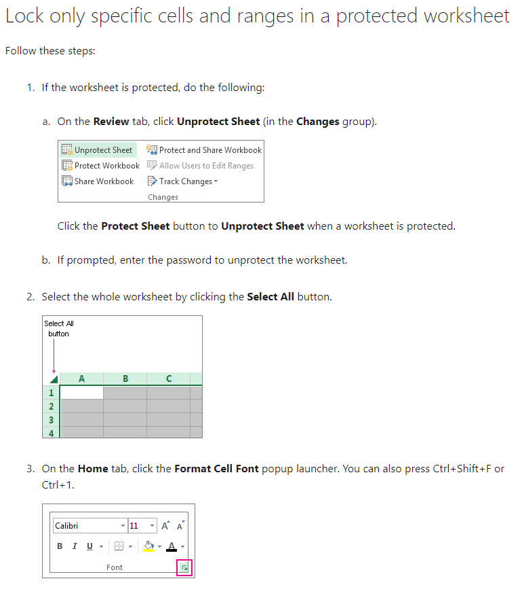
 | LvPeriod |  | Corresponds to timekeeping month
 | Payroll |  | Monthy payroll when leave will process
 | From/To |  | Actual Calendar Dates in Period
 | Submit Deadline |  | Date that system cuts off for employee time entry for period
 | Approve Deadline |  | Date that system cuts off for approvers for period
 | View Bal on WEB |  | Date that new leave balances will be available on the WEB
 | Accrual Thru |  | The month's vacation and sick leave accrual that is included in new balance
 | LvTaken Thru |  | The date thru which leave taken or comp time accrued is included in the new balance

